Sheet1
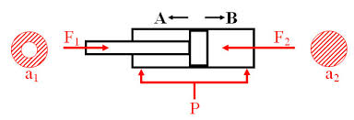
Calculation Methods Of Theoretical Cylinder Output Force
F=P*A
F | Theoretical Cylinder Output Force |  |  | (Kgf)
P | Working Pressure |  |  | Kgf/CM2
A | Force Applied Area Pistin |  |  | CM2 | Pressure Conversions
Bore | Rod Size | Pressure | Force F1 | Force F2 | 14.5 | PSI | 1.0 | bar
mm. | mm. | bar | Kg | Kg | 0.1 | Mpa | 1.0
100 | 25 | 4 | 294.52 | 314.16 | 1 | bar | 14.5 | PSI
 |  |  |  |  |  |  | 0.1 | Mpa

